overview
Program LUC/JMP input organizer written by K.W.Berendzen © 2019
-program runs in Java, should work in all versions
-author: kenneth.berendzen@zmbp.uni-tuebingen.de
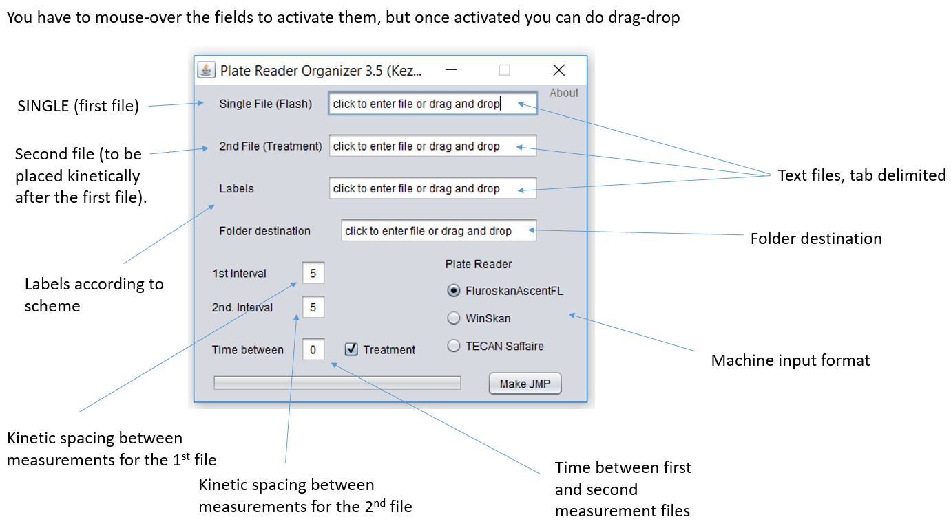
-license: GPLv3

see PowerPOint Presentation

